Dashboard
Crime Rate by Cities
 | total_crime | total_violent_crime
Atlanta | 5728 | 936
Boston | 2758 | 669
Chicago | 4382 | 1099
Denver | 4361 | 676
Las Vegas | 3568 | 619
New York | 1987 | 539
San Francisco | 6917 | 715
Seattle | 5912 | 633
Tampa | 2218 | 464
Types of Crimes in cities
 | robbery | agrv_assault | murder | rape
Atlanta | 293.55 | 567.16 | 16.41 | 58.59
Boston | 205.59 | 412.8 | 8.35 | 42.47
Chicago | 439.26 | 570.36 | 18.26 | 65.11
Denver | 174.35 | 393.99 | 8.35 | 98.92
Las Vegas | 211.15 | 315.5 | 12.6 | 79.64
New York | 162.42 | 345.52 | 3.39 | 27.56
San Francisco | 365.39 | 301.62 | 6.35 | 41.65
Seattle | 210.02 | 382.05 | 3.74 | 36.87
Tampa | 105.63 | 317.15 | 10.15 | 31.48
Please select City

Boston

Quality of Life Index

165.8

Cost of Living Index

89.8

Pollution Index
Traffic and Pollution Chart
 | Pollution Index | Traffic Index
Atlanta | 3.07 | 3.13
Boston | 1.00 | 3.62
Chicago | 3.79 | 2.92
Denver | 2.95 | 2.42
Las Vegas | 4.23 | 1.00
New York | 5.00 | 2.22
San Francisco | 4.17 | 5.00
Seattle | 1.86 | 3.85
Tampa | 1.26 | 2.48

32 | State FullName | (All)

Purchasing Power Index | Row Labels | AQI
 | Atlanta | 51.759124088
 | Boston | 44.582417582
110.1 | Chicago | 56.218978102
 | Denver | 68.205673759
HealthCare Index | Las Vegas | 66.142857143
 | New York | 56.335766423
 | San Francisco | 46.950819672
73 | Seattle | 48.23943662
 | Tampa | 50.29281768
Population

Purchasing Power Index to Rent Index by City
 | Purchasing Power Index | Rent Index
Atlanta | 107 | 58
Boston | 110 | 75
Chicago | 111 | 65
Denver | 112 | 57
Las Vegas | 106 | 41
New York City | 100 | 100
San Francisco | 109 | 93
Seattle | 108 | 74
Tampa | 104 | 55
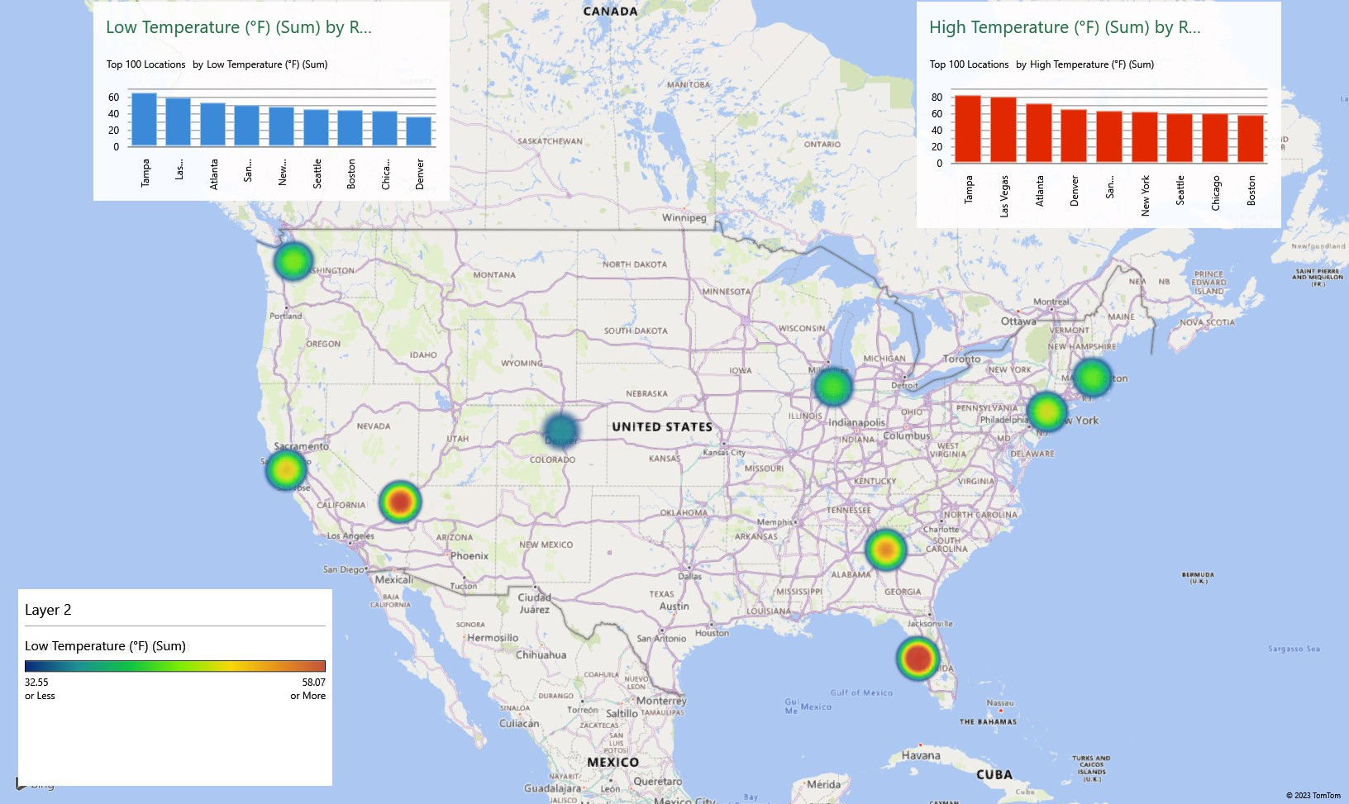
682,903

State Tax Rate

7.02%

 | +
 | .

Bibliography
Bibliography

1 | Name of the Website | Numbeo
2 | Dataset Fetched | Traffic
3 | URL | Traffic in the US

1 | Name of the Website | Kaggle
2 | Dataset Fetched | Crime
3 | URL | Crime Rates in Cities, US

1 | Name of the Website | Current Results.com
2 | Dataset Fetched | Temperature
3 | URL | US States Annual Average Temperature

1 | Name of the Website | Numbeo
2 | Dataset Fetched | Cost of Living
3 | URL | US Cost of Living

1 | Name of the Website | Numbeo
2 | Dataset Fetched | Health Care
3 | URL | Health Care in the US

1 | Name of the Website | AQI - US Environmental Protection Agency
2 | Dataset Fetched | Taxes
3 | URL | Taxes in the US

1 | Name of the Website | Statista.com
2 | Dataset Fetched | Average Income
3 | URL | Average Income in 20 most populated cities in US

1 | Name of the Website | Numbeo
2 | Dataset Fetched | Quality of Life
3 | URL | Quality of Life in United States

